Normalized
 | 2025 | 2024 | 2023 | 2022 | 2021 | 2020 | 2019 | 2018 | 2017 | 2016 | 2015 | 2014 | flattened
Adani Ports and Special Economic Zone Ltd | 0.2657233426 | 0.1912645849 | 0.1212841438 | 0.1094678627 | 0.1212841438 | 0.0876697916 | 0.09263370877 | 0.08437849868 | 0.09058339516 | 0.06414514062 | 0.04898361098 | 0.03425372631 | 0.2657233426
Asian Paints Ltd | 0.1950414784 | 0.295884535 | 0.2196991974 | 0.1591070345 | 0.1652579753 | 0.1408160788 | 0.1099534633 | 0.1033708775 | 0.09775949282 | 0.08680650165 | 0.0671126998 | 0.05723882107 | 0.1912645849
AXIS Bank Ltd | 0.4752330208 | 0.4473379645 | 0.1777217239 | 0.2363714845 | 0.1191798746 | 0.02535104876 | 0.09382073245 | 0 | 0.07758009038 | 0.177128212 | 0.1571646321 | 0.7127456667 | 0.1212841438
Bajaj Finserv Ltd | 0.040998179 | 0.02804882984 | 0.01348081203 | 0.1321831793 | 0.04909152222 | 0.2147352802 | 0.09279557564 | 0.03668172928 | 0.0124016996 | 0.04423551629 | 0.03128616713 | 0.01671814932 | 0.1094678627
Bajaj Finance Ltd | 1 | 1 | 1 | 0.6134133675 | 0.3825372631 | 0.4692439469 | 0.359606124 | 0.2425224253 | 0.1703298037 | 1 | 0.9474526202 | 0.763733729 | 0.1212841438
Bharat Electronics Ltd | 0.02794091859 | 0.01806703986 | 0.01072907534 | 0.04180751332 | 0.03517097188 | 0.02907398665 | 0.03042287718 | 0.02011735348 | 0.02071086531 | 0.01871450732 | 0.7961071019 | 0.6302475214 | 0.0876697916
Bharti Airtel Ltd | 0.291028529 | 0.05772442166 | 0.06727456667 | 0.02982936535 | 0 | 0 | 0 | 0.003499022054 | 0.03997302219 | 0.07067377082 | 0.0510339246 | 0.02648411681 | 0.09263370877
HCL Technologies Ltd | 0.3344628043 | 0.3008484521 | 0.2842840763 | 0.2571983544 | 0.2102569636 | 0.2085303838 | 0.3855048223 | 0.3242112363 | 0.3138517569 | 0.2028110879 | 0.2680973899 | 0.4846752546 | 0.08437849868
HDFC Bank Ltd | 0.4871572132 | 0.4743157753 | 0.4325541242 | 0.3572320766 | 0.2994995616 | 0.2555257301 | 0.4338490591 | 0.3704512039 | 0.3078626829 | 0.2597342686 | 0.2239077359 | 0.1845740878 | 0.09058339516
Hindustan Unilever Ltd | 0.2331881028 | 0.2246631146 | 0.2210480879 | 0.1925595198 | 0.1722722061 | 0.1568408984 | 0.1395211439 | 0.1185863627 | 0.1001874958 | 0.09166250759 | 0.09743575909 | 0.08702232414 | 0.06414514062
ICICI Bank Ltd | 0.3725015175 | 0.322970257 | 0.2467849194 | 0.1798799487 | 0.1334241586 | 0.06716665543 | 0.02389424698 | 0.05281446011 | 0.0741269306 | 0.08259796318 | 0.1028852769 | 0.5047467458 | 0.04898361098
Infosys Ltd | 0.3358116949 | 0.3306859108 | 0.2991218723 | 0.2714426384 | 0.2342672152 | 0.1986025494 | 0.179556215 | 0.3717461388 | 0.3273406623 | 0.3071073042 | 0.5727847845 | 0.9948796115 | 0.03425372631
ITC Ltd | 0.1383880758 | 0.07704053416 | 0.07207661698 | 0.05540432994 | 0.04639374115 | 0.05583597491 | 0.04391178256 | 0.03830039792 | 0.03425372631 | 0.03026101032 | 0.05340797194 | 0.04849801039 | 0.1950414784
Kotak Mahindra Bank Ltd | 0.5891333378 | 0.4820853848 | 0.3930046537 | 0.3163337155 | 0.2610831591 | 0.229734943 | 0.1922897417 | 0.164880286 | 0.1335860255 | 0.09047548391 | 0.2012463749 | 0.1620745936 | 0.295884535
Larsen & Toubro Ltd | 0.5782882579 | 0.4951966008 | 0.3903608282 | 0.3212976327 | 0.4333095029 | 0.3552896742 | 0.3307398665 | 0.2718742834 | 0.2209401767 | 0.2329183247 | 0.2637269846 | 0.2727375733 | 0.2196991974
Mahindra & Mahindra Ltd | 0.6094746071 | 0.5319943347 | 0.4848371215 | 0.3060821474 | 0.07579955487 | 0 | 0.2514251029 | 0.3601996358 | 0.172002428 | 0.293456532 | 0.2621622715 | 0.397806704 | 0.1591070345
Maruti Suzuki India Ltd | 1 | 1 | 1 | 0.6816132731 | 0.7726364066 | 1 | 1 | 1 | 1 | 0.9705456262 | 0.6687178795 | 0.4982181156 | 0.1652579753
NTPC Ltd | 0.09840696028 | 0.1044499899 | 0.08507992176 | 0.07315572941 | 0.06889323531 | 0.05189721454 | 0.06355162879 | 0.04617791866 | 0.05880353409 | 0.05934309031 | 0.05400148378 | 0.06328185068 | 0.1408160788
Power Grid Corporation of India Ltd | 0.07871315843 | 0.08232818507 | 0.1079031497 | 0.1188021852 | 0.1128131112 | 0.10272341 | 0.09214810818 | 0.07326364066 | 0.06549403116 | 0.05011667903 | 0.04072840089 | 0.0397571997 | 0.1099534633
Reliance Industries Ltd | 0.26637081 | 0.5438645714 | 0.5206096985 | 0.4788480475 | 0.3944614555 | 0.3289053753 | 0.3490847778 | 0.3171970055 | 0.534368382 | 0.5322641128 | 0.42089971 | 0.4016915087 | 0.1033708775
State Bank of India | 0.4575895326 | 0.394245633 | 0.3250745262 | 0.2025413098 | 0.1241437917 | 0.1081729278 | 0.002581776489 | 0 | 0 | 0.07472044244 | 0.1114642207 | 1 | 0.09775949282
Sun Pharmaceutical Industries Ltd | 0.2346988602 | 0.2039441559 | 0.17912457 | 0.06204087138 | 0.05394752816 | 0.0733715519 | 0.04855196601 | 0.03722128549 | 0.1451325285 | 0.09063735078 | 0.09063735078 | 0.07067377082 | 0.08680650165
Tata Motors Ltd | 0.4135617455 | 0.430449855 | 0.02259931207 | 0 | 0 | 0 | 0 | 0.131373845 | 0.1069859041 | 0.1734052742 | 0.2229904903 | 0.2233681797 | 0.0671126998
Tata Steel Ltd | 0.003445066433 | 0 | 0.02734740676 | 1 | 0.3327901801 | 0.05265259324 | 0.4620678492 | 0.6798327376 | 0 | 0 | 0 | 0.1785310582 | 0.05723882107
Tata Consultancy Services Ltd | 0.7126917111 | 0.6678545896 | 0.6101760302 | 0.5477493761 | 0.4565104202 | 0.4537047279 | 0.4367626627 | 0.7126917111 | 0.7084831726 | 0.6532865718 | 0.5355014501 | 0.5156457813 | 0.4752330208
Tech Mahindra Ltd | 0.2471626088 | 0.1320752681 | 0.2841222095 | 0.3275564848 | 0.2594644905 | 0.2360477507 | 0.2461374519 | 0.2188359075 | 0.1593768126 | 0.1705456262 | 0.132938558 | 0.6727105955 | 0.4473379645
Titan Company Ltd | 0.1915883186 | 0.2011384636 | 0.1861927565 | 0.1207985432 | 0.04779658731 | 0.0799001821 | 0.07401901936 | 0.05745464356 | 0.03274296891 | 0.02966749848 | 0.0382464423 | 0.03333648074 | 0.1777217239
Trent Ltd | 0.2234221353 | 0.2143036353 | 0.05615970864 | 0.004740001349 | 0 | 0.007707560531 | 0.00441626762 | 0.002797598975 | 0.002419909624 | 0 | 0.198656505 | 0 | 0.2363714845
UltraTech Cement Ltd | 1 | 1 | 0.935798206 | 1 | 1 | 1 | 0.4418884468 | 0.4252701153 | 0.5221744115 | 0.4756107102 | 0.4010979969 | 0.4225723343 | 0.1191798746
 |  |  |  |  |  |  |  |  |  |  |  |  | 0.02535104876
 |  |  |  |  |  |  |  |  |  |  |  |  | 0.09382073245
 |  |  |  |  |  |  |  |  |  |  |  |  | 0
Global min | 0 |  |  |  |  |  |  |  |  |  |  |  | 0.07758009038
Global Max | 1 |  |  |  |  |  |  |  |  |  |  |  | 0.177128212
 |  |  |  |  |  |  |  |  |  |  |  |  | 0.1571646321
 |  |  |  |  |  |  |  |  |  |  |  |  | 0.7127456667
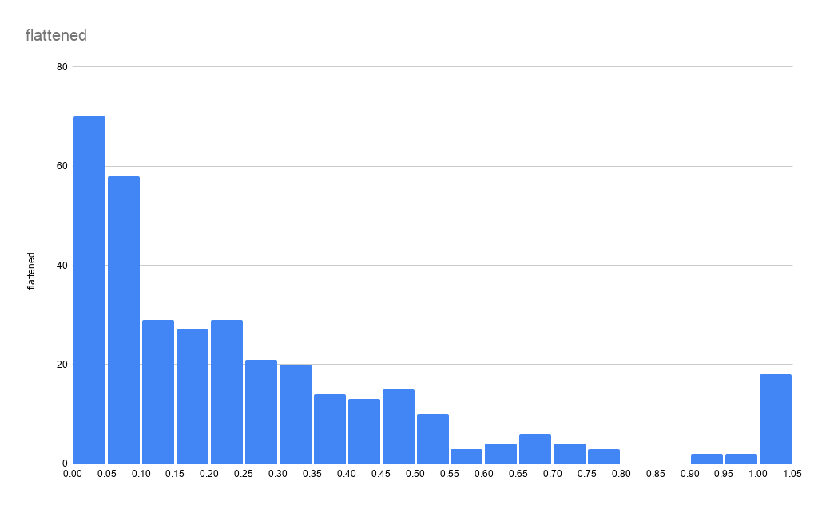
 |  |  |  |  |  |  |  |  |  |  |  |  | 0.040998179
 |  |  |  |  |  |  |  |  |  |  |  |  | 0.02804882984
 |  |  |  |  |  |  |  |  |  |  |  |  | 0.01348081203
 |  |  |  |  |  |  |  |  |  |  |  |  | 0.1321831793
 |  |  |  |  |  |  |  |  |  |  |  |  | 0.04909152222
 |  |  |  |  |  |  |  |  |  |  |  |  | 0.2147352802
 |  |  |  |  |  |  |  |  |  |  |  |  | 0.09279557564
 |  |  |  |  |  |  |  |  |  |  |  |  | 0.03668172928
 |  |  |  |  |  |  |  |  |  |  |  |  | 0.0124016996
 |  |  |  |  |  |  |  |  |  |  |  |  | 0.04423551629
 |  |  |  |  |  |  |  |  |  |  |  |  | 0.03128616713
 |  |  |  |  |  |  |  |  |  |  |  |  | 0.01671814932
 |  |  |  |  |  |  |  |  |  |  |  |  | 1
 |  |  |  |  |  |  |  |  |  |  |  |  | 1
 |  |  |  |  |  |  |  |  |  |  |  |  | 1
 |  |  |  |  |  |  |  |  |  |  |  |  | 0.6134133675
 |  |  |  |  |  |  |  |  |  |  |  |  | 0.3825372631
 |  |  |  |  |  |  |  |  |  |  |  |  | 0.4692439469
 |  |  |  |  |  |  |  |  |  |  |  |  | 0.359606124
 |  |  |  |  |  |  |  |  |  |  |  |  | 0.2425224253
 |  |  |  |  |  |  |  |  |  |  |  |  | 0.1703298037
 |  |  |  |  |  |  |  |  |  |  |  |  | 1
 |  |  |  |  |  |  |  |  |  |  |  |  | 0.9474526202
 |  |  |  |  |  |  |  |  |  |  |  |  | 0.763733729
 |  |  |  |  |  |  |  |  |  |  |  |  | 0.02794091859
 |  |  |  |  |  |  |  |  |  |  |  |  | 0.01806703986
 |  |  |  |  |  |  |  |  |  |  |  |  | 0.01072907534
 |  |  |  |  |  |  |  |  |  |  |  |  | 0.04180751332
 |  |  |  |  |  |  |  |  |  |  |  |  | 0.03517097188
 |  |  |  |  |  |  |  |  |  |  |  |  | 0.02907398665
 |  |  |  |  |  |  |  |  |  |  |  |  | 0.03042287718
 |  |  |  |  |  |  |  |  |  |  |  |  | 0.02011735348
 |  |  |  |  |  |  |  |  |  |  |  |  | 0.02071086531
 |  |  |  |  |  |  |  |  |  |  |  |  | 0.01871450732
 |  |  |  |  |  |  |  |  |  |  |  |  | 0.7961071019
 |  |  |  |  |  |  |  |  |  |  |  |  | 0.6302475214
 |  |  |  |  |  |  |  |  |  |  |  |  | 0.291028529
 |  |  |  |  |  |  |  |  |  |  |  |  | 0.05772442166
 |  |  |  |  |  |  |  |  |  |  |  |  | 0.06727456667
 |  |  |  |  |  |  |  |  |  |  |  |  | 0.02982936535
 |  |  |  |  |  |  |  |  |  |  |  |  | 0
 |  |  |  |  |  |  |  |  |  |  |  |  | 0
 |  |  |  |  |  |  |  |  |  |  |  |  | 0
 |  |  |  |  |  |  |  |  |  |  |  |  | 0.003499022054
 |  |  |  |  |  |  |  |  |  |  |  |  | 0.03997302219
 |  |  |  |  |  |  |  |  |  |  |  |  | 0.07067377082
 |  |  |  |  |  |  |  |  |  |  |  |  | 0.0510339246
 |  |  |  |  |  |  |  |  |  |  |  |  | 0.02648411681
 |  |  |  |  |  |  |  |  |  |  |  |  | 0.3344628043
 |  |  |  |  |  |  |  |  |  |  |  |  | 0.3008484521
 |  |  |  |  |  |  |  |  |  |  |  |  | 0.2842840763
 |  |  |  |  |  |  |  |  |  |  |  |  | 0.2571983544
 |  |  |  |  |  |  |  |  |  |  |  |  | 0.2102569636
 |  |  |  |  |  |  |  |  |  |  |  |  | 0.2085303838
 |  |  |  |  |  |  |  |  |  |  |  |  | 0.3855048223
 |  |  |  |  |  |  |  |  |  |  |  |  | 0.3242112363
 |  |  |  |  |  |  |  |  |  |  |  |  | 0.3138517569
 |  |  |  |  |  |  |  |  |  |  |  |  | 0.2028110879
 |  |  |  |  |  |  |  |  |  |  |  |  | 0.2680973899
 |  |  |  |  |  |  |  |  |  |  |  |  | 0.4846752546
 |  |  |  |  |  |  |  |  |  |  |  |  | 0.4871572132
 |  |  |  |  |  |  |  |  |  |  |  |  | 0.4743157753
 |  |  |  |  |  |  |  |  |  |  |  |  | 0.4325541242
 |  |  |  |  |  |  |  |  |  |  |  |  | 0.3572320766
 |  |  |  |  |  |  |  |  |  |  |  |  | 0.2994995616
 |  |  |  |  |  |  |  |  |  |  |  |  | 0.2555257301
 |  |  |  |  |  |  |  |  |  |  |  |  | 0.4338490591
 |  |  |  |  |  |  |  |  |  |  |  |  | 0.3704512039
 |  |  |  |  |  |  |  |  |  |  |  |  | 0.3078626829
 |  |  |  |  |  |  |  |  |  |  |  |  | 0.2597342686
 |  |  |  |  |  |  |  |  |  |  |  |  | 0.2239077359
 |  |  |  |  |  |  |  |  |  |  |  |  | 0.1845740878
 |  |  |  |  |  |  |  |  |  |  |  |  | 0.2331881028
 |  |  |  |  |  |  |  |  |  |  |  |  | 0.2246631146
 |  |  |  |  |  |  |  |  |  |  |  |  | 0.2210480879
...

